Perceived Stress Evaluation
Perceived Stress Level Evaluation
1. In the last month, how often have you been upset because of something that happened unexpectedly? | 2. In the last month, how often have you felt that you were unable to control the important things in your life? | 3. In the last month, how often have you felt nervous and stressed? | 4. In the last month, how often have you felt confident about your ability to handle your personal problems? | 5. In the last month, how often have you felt that things were going your way? | 6. In the last month, how often have you found that you could not cope with all the things that you had to do? | 7. In the last month, how often have you been able to control irritations in your life? | 8. In the last month, how often have you felt that you were on top of things? | 9. In the last month, how often have you been angered because of things that happened that were outside of your control? | 10. In the last month, how often have you felt difficulties were piling up so high that you could not overcome them? | 11. In the last month, how often have you received a low grade contributed from the amount of assignments? | 12. In the last month, how often have you found yourself lacking concentration during study hours? | 13. In the last month, how often have you found yourself worrying about examinations? | 14. In the last month, how often have you found yourself having difficulty remembering or learning course material? | 15. In the last month, how often have you experienced situations at school that impacted your self-confidence negatively? | 16. In the last month, how often have you encountered conflict with friends/staff/authorities? | 17. In the last month, how often have you hesitated to ask a teacher for a detailed explanation? | 18. In the last month, how often have you found that the tedious or boring teaching style of a teacher affects your attention and interest towards the class? | 19. In the last month, how often have you not had adequate space or room to study at home? | 20. In the last month, how often have you lacked fluency while speaking a language other than your mother tongue? | 21. In the last month, how often have you felt inferiority to your peers and classmates? | 22. In the last month, how often did you find yourself being unable to complete assignments on time? | 23. In the last month, how often did you feel there was a lack of communication between teachers and students? | 24. In the last month, how often did the teacher lecture too fast and without legible handwriting or detailed reasoning? | 25. In the last month, how often did you find yourself staying up at night studying? | 26. In the last month, how often did you feel overwhelmed by emotions from your course load? | 27. In the last month, how often have you found yourself being unable to discuss academic failures with your parents? | 28. In the last month, how often have you considered dropping out of your pathway? | 29. In the last month, how often have you found yourself completing work haphazardly (not to your full effort) in order to meet deadlines? | 30. In the last month, how often have you found yourself fearing failure? | Perceived Stress Level (Red high)(Orange moderate)(Yellow Low) | WAVE | Grade
4 | 3 | 4 | 4 | 2 | 3 | 2 | 2 | 4 | 4 | 2 | 4 | 4 | 4 | 2 | 2 | 4 | 4 | 0 | 0 | 2 | 1 | 4 | 4 | 4 | 4 | 0 | 2 | 4 | 4 | 91 | Yes | Senior
1 | 1 | 2 | 3 | 3 | 1 | 2 | 2 | 1 | 1 | 2 | 2 | 1 | 2 | 0 | 0 | 1 | 3 | 0 | 0 | 0 | 1 | 1 | 2 | 2 | 1 | 1 | 0 | 2 | 1 | 39 | Yes | Senior
4 | 3 | 3 | 1 | 1 | 1 | 1 | 1 | 3 | 4 | 4 | 4 | 4 | 4 | 4 | 2 | 2 | 2 | 2 | 1 | 4 | 4 | 3 | 2 | 3 | 3 | 3 | 4 | 4 | 4 | 85 | Yes | Senior
3 | 4 | 4 | 1 | 2 | 3 | 2 | 1 | 3 | 3 | 3 | 3 | 3 | 3 | 3 | 3 | 3 | 3 | 2 | 3 | 3 | 3 | 2 | 3 | 4 | 3 | 4 | 4 | 4 | 4 | 89 | Yes | Senior
2 | 2 | 3 | 3 | 2 | 3 | 3 | 1 | 3 | 1 | 2 | 3 | 3 | 1 | 3 | 2 | 4 | 4 | 4 | 4 | 4 | 1 | 4 | 3 | 3 | 3 | 4 | 4 | 4 | 4 | 87 | No | Senior
3 | 3 | 3 | 3 | 2 | 2 | 2 | 2 | 2 | 2 | 0 | 2 | 2 | 1 | 3 | 0 | 3 | 3 | 0 | 0 | 2 | 1 | 1 | 1 | 1 | 2 | 0 | 0 | 2 | 3 | 51 | Yes | Senior
2 | 2 | 2 | 3 | 2 | 3 | 3 | 3 | 1 | 1 | 0 | 2 | 0 | 1 | 1 | 0 | 3 | 2 | 0 | 4 | 1 | 1 | 1 | 0 | 1 | 1 | 0 | 0 | 2 | 1 | 43 | Yes | Senior
3 | 4 | 3 | 2 | 1 | 3 | 2 | 2 | 3 | 3 | 2 | 3 | 4 | 4 | 3 | 1 | 4 | 4 | 1 | 2 | 4 | 2 | 3 | 2 | 2 | 4 | 2 | 3 | 4 | 4 | 84 | Yes | Sophomore
2 | 4 | 4 | 3 | 1 | 4 | 0 | 2 | 2 | 3 | 4 | 3 | 4 | 2 | 2 | 1 | 3 | 2 | 1 | 0 | 3 | 4 | 2 | 2 | 3 | 4 | 4 | 4 | 3 | 4 | 80 | Yes | Senior
2 | 2 | 2 | 3 | 1 | 2 | 2 | 3 | 3 | 1 | 0 | 3 | 4 | 2 | 2 | 4 | 1 | 4 | 0 | 0 | 2 | 2 | 3 | 1 | 3 | 2 | 2 | 1 | 3 | 3 | 63 | Yes | Junior
4 | 4 | 4 | 1 | 2 | 4 | 3 | 2 | 0 | 4 | 2 | 4 | 1 | 1 | 1 | 1 | 2 | 4 | 1 | 2 | 1 | 4 | 4 | 4 | 2 | 4 | 4 | 2 | 4 | 2 | 78 | Yes | Senior
2 | 3 | 4 | 2 | 2 | 3 | 1 | 1 | 3 | 4 | 0 | 4 | 4 | 2 | 4 | 0 | 4 | 4 | 0 | 4 | 4 | 1 | 3 | 0 | 4 | 2 | 1 | 0 | 4 | 4 | 74 | Yes | Freshman
3 | 3 | 4 | 3 | 2 | 2 | 3 | 3 | 2 | 1 | 0 | 3 | 4 | 2 | 2 | 1 | 4 | 4 | 0 | 1 | 2 | 0 | 3 | 2 | 0 | 3 | 2 | 0 | 2 | 4 | 65 | No | Senior
4 | 3 | 4 | 2 | 2 | 2 | 2 | 1 | 3 | 3 | 2 | 3 | 4 | 2 | 3 | 1 | 3 | 4 | 4 | 0 | 4 | 2 | 4 | 2 | 4 | 3 | 4 | 0 | 3 | 4 | 82 | No | Junior
2 | 2 | 2 | 4 | 3 | 1 | 4 | 4 | 2 | 1 | 1 | 2 | 3 | 2 | 1 | 1 | 2 | 4 | 0 | 0 | 1 | 1 | 2 | 2 | 2 | 2 | 1 | 0 | 2 | 1 | 55 | No | Sophomore
2 | 2 | 3 | 4 | 2 | 1 | 3 | 3 | 2 | 1 | 2 | 2 | 3 | 1 | 0 | 0 | 1 | 4 | 0 | 1 | 0 | 0 | 2 | 2 | 3 | 3 | 0 | 0 | 2 | 3 | 52 | Yes | Sophomore
3 | 3 | 4 | 2 | 3 | 1 | 2 | 2 | 4 | 2 | 2 | 3 | 4 | 4 | 2 | 1 | 2 | 4 | 4 | 2 | 2 | 2 | 1 | 1 | 1 | 2 | 4 | 0 | 2 | 2 | 71 | Yes | Sophomore
2 | 2 | 4 | 2 | 2 | 2 | 2 | 2 | 2 | 1 | 1 | 3 | 2 | 3 | 1 | 1 | 2 | 3 | 1 | 3 | 1 | 1 | 1 | 2 | 2 | 3 | 1 | 0 | 2 | 2 | 56 | Yes | Junior
3 | 4 | 4 | 2 | 2 | 1 | 2 | 3 | 3 | 1 | 2 | 2 | 3 | 1 | 2 | 1 | 1 | 4 | 0 | 4 | 2 | 0 | 3 | 3 | 2 | 2 | 1 | 0 | 1 | 4 | 63 | Yes | Sophomore
2 | 1 | 2 | 3 | 2 | 1 | 2 | 2 | 4 | 2 | 2 | 3 | 1 | 2 | 0 | 4 | 3 | 3 | 0 | 4 | 1 | 2 | 2 | 1 | 1 | 1 | 2 | 1 | 3 | 2 | 59 | Yes | Senior
2 | 1 | 3 | 4 | 2 | 2 | 0 | 4 | 1 | 1 | 1 | 2 | 3 | 2 | 1 | 1 | 2 | 4 | 2 | 2 | 2 | 0 | 2 | 2 | 2 | 2 | 1 | 0 | 1 | 4 | 56 | No | Junior
4 | 2 | 3 | 2 | 2 | 2 | 2 | 2 | 3 | 3 | 1 | 4 | 3 | 2 | 1 | 1 | 3 | 4 | 1 | 2 | 2 | 1 | 2 | 1 | 0 | 2 | 1 | 0 | 2 | 3 | 61 | Yes | Junior
1 | 0 | 2 | 4 | 3 | 1 | 3 | 3 | 2 | 0 | 1 | 2 | 2 | 0 | 1 | 0 | 0 | 2 | 0 | 3 | 1 | 2 | 2 | 1 | 1 | 0 | 0 | 0 | 2 | 1 | 40 | Yes | Senior
2 | 3 | 4 | 2 | 2 | 1 | 3 | 1 | 1 | 3 | 2 | 4 | 3 | 2 | 2 | 1 | 0 | 2 | 0 | 0 | 2 | 0 | 2 | 4 | 3 | 4 | 0 | 2 | 3 | 1 | 59 | Yes | Freshman
1 | 2 | 3 | 4 | 4 | 0 | 2 | 4 | 1 | 0 | 0 | 0 | 1 | 0 | 0 | 0 | 3 | 0 | 0 | 0 | 2 | 0 | 3 | 0 | 0 | 0 | 4 | 0 | 0 | 0 | 34 | No | Senior
4 | 4 | 4 | 2 | 2 | 2 | 3 | 1 | 2 | 2 | 2 | 4 | 4 | 4 | 2 | 2 | 3 | 4 | 4 | 2 | 4 | 1 | 2 | 3 | 4 | 3 | 4 | 2 | 4 | 4 | 88 | Yes | Senior
4 | 4 | 4 | 0 | 0 | 4 | 0 | 1 | 2 | 4 | 2 | 4 | 4 | 4 | 4 | 4 | 4 | 4 | 4 | 4 | 0 | 4 | 4 | 2 | 2 | 4 | 4 | 4 | 4 | 4 | 93 | Yes | Senior
3 | 3 | 4 | 2 | 3 | 3 | 2 | 2 | 2 | 3 | 3 | 4 | 3 | 4 | 2 | 3 | 4 | 4 | 4 | 3 | 3 | 2 | 2 | 4 | 4 | 3 | 4 | 0 | 3 | 4 | 90 | Yes | Senior
4 | 4 | 4 | 4 | 4 | 4 | 4 | 4 | 4 | 4 | 4 | 4 | 4 | 4 | 4 | 2 | 4 | 4 | 1 | 1 | 2 | 2 | 2 | 4 | 4 | 4 | 4 | 4 | 4 | 4 | 106 | No | Senior
3 | 3 | 4 | 2 | 2 | 2 | 3 | 2 | 3 | 2 | 2 | 3 | 3 | 2 | 2 | 2 | 3 | 2 | 1 | 0 | 2 | 1 | 1 | 2 | 4 | 3 | 2 | 0 | 1 | 4 | 66 | No | Senior
2 | 3 | 4 | 2 | 2 | 3 | 2 | 2 | 3 | 3 | 3 | 4 | 4 | 3 | 4 | 1 | 4 | 4 | 0 | 2 | 1 | 4 | 4 | 4 | 4 | 4 | 4 | 1 | 4 | 3 | 88 | No | Junior
0 | 0 | 0 | 4 | 4 | 0 | 4 | 4 | 0 | 0 | 0 | 2 | 3 | 2 | 0 | 0 | 3 | 4 | 0 | 0 | 0 | 1 | 2 | 2 | 1 | 0 | 0 | 0 | 2 | 2 | 40 | Yes | Senior
3 | 4 | 3 | 1 | 1 | 3 | 2 | 0 | 3 | 3 | 3 | 4 | 4 | 4 | 2 | 2 | 4 | 4 | 1 | 0 | 4 | 2 | 4 | 2 | 0 | 3 | 4 | 2 | 4 | 4 | 80 | Yes | Senior
2 | 2 | 3 | 2 | 3 | 3 | 0 | 3 | 3 | 2 | 3 | 3 | 4 | 3 | 3 | 2 | 4 | 4 | 2 | 0 | 2 | 2 | 3 | 2 | 4 | 4 | 2 | 4 | 3 | 3 | 80 | Yes | Senior
2 | 3 | 4 | 2 | 2 | 2 | 2 | 3 | 2 | 2 | 0 | 2 | 3 | 2 | 1 | 0 | 3 | 4 | 3 | 0 | 1 | 0 | 2 | 3 | 3 | 3 | 0 | 2 | 1 | 3 | 60 | Yes | Senior
3 | 3 | 4 | 2 | 1 | 3 | 2 | 1 | 3 | 4 | 3 | 3 | 3 | 4 | 3 | 1 | 4 | 3 | 2 | 2 | 4 | 2 | 2 | 2 | 2 | 4 | 4 | 0 | 4 | 3 | 81 | No | Senior
3 | 3 | 3 | 2 | 2 | 3 | 2 | 3 | 2 | 3 | 1 | 3 | 3 | 2 | 1 | 3 | 3 | 4 | 3 | 0 | 2 | 0 | 3 | 3 | 4 | 4 | 0 | 3 | 3 | 4 | 75 | Yes | Senior
2 | 3 | 2 | 1 | 3 | 0 | 2 | 2 | 3 | 2 | 3 | 4 | 2 | 2 | 2 | 2 | 3 | 4 | 2 | 1 | 3 | 2 | 3 | 1 | 4 | 2 | 2 | 2 | 4 | 4 | 72 | Yes | Senior
3 | 4 | 4 | 1 | 2 | 4 | 1 | 1 | 2 | 3 | 3 | 4 | 3 | 2 | 2 | 0 | 4 | 1 | 3 | 3 | 4 | 4 | 3 | 1 | 3 | 4 | 3 | 4 | 2 | 3 | 81 | Yes | Junior
1 | 2 | 1 | 4 | 3 | 1 | 4 | 3 | 1 | 1 | 0 | 1 | 0 | 2 | 2 | 1 | 1 | 4 | 0 | 0 | 1 | 4 | 2 | 0 | 4 | 1 | 4 | 0 | 4 | 0 | 52 | Yes | Senior
4 | 4 | 4 | 0 | 1 | 4 | 0 | 2 | 3 | 4 | 0 | 4 | 4 | 3 | 2 | 1 | 4 | 4 | 0 | 3 | 2 | 0 | 4 | 2 | 4 | 4 | 4 | 0 | 2 | 3 | 76 | Yes | Senior
1 | 3 | 2 | 2 | 2 | 2 | 3 | 3 | 2 | 1 | 0 | 4 | 2 | 3 | 1 | 0 | 3 | 2 | 0 | 0 | 0 | 4 | 1 | 1 | 1 | 2 | 3 | 0 | 3 | 2 | 53 | No | Junior
3 | 2 | 3 | 2 | 2 | 2 | 3 | 1 | 3 | 3 | 1 | 3 | 4 | 3 | 3 | 3 | 4 | 3 | 4 | 4 | 2 | 3 | 4 | 1 | 3 | 4 | 2 | 0 | 2 | 4 | 81 | No | Sophomore
2 | 3 | 3 | 2 | 2 | 3 | 2 | 2 | 2 | 3 | 2 | 4 | 4 | 3 | 0 | 0 | 3 | 3 | 0 | 0 | 0 | 3 | 3 | 2 | 3 | 4 | 4 | 0 | 3 | 4 | 69 | No | Junior
4 | 4 | 4 | 2 | 1 | 3 | 2 | 3 | 2 | 1 | 0 | 3 | 3 | 2 | 3 | 1 | 3 | 1 | 0 | 0 | 2 | 0 | 1 | 1 | 2 | 2 | 2 | 1 | 4 | 4 | 61 | Yes | Junior
3 | 4 | 4 | 3 | 3 | 4 | 2 | 1 | 3 | 3 | 2 | 2 | 1 | 3 | 2 | 3 | 3 | 4 | 3 | 1 | 1 | 3 | 2 | 2 | 3 | 4 | 3 | 0 | 4 | 1 | 77 | No | Junior
3 | 2 | 3 | 2 | 2 | 3 | 2 | 2 | 2 | 2 | 4 | 3 | 3 | 3 | 1 | 0 | 2 | 2 | 2 | 2 | 2 | 3 | 2 | 1 | 4 | 2 | 1 | 0 | 3 | 4 | 67 | No | Senior
1 | 1 | 2 | 3 | 3 | 1 | 3 | 3 | 0 | 1 | 0 | 3 | 4 | 2 | 1 | 1 | 2 | 4 | 0 | 1 | 0 | 0 | 0 | 0 | 4 | 0 | 0 | 0 | 2 | 2 | 44 | Yes | Senior
3 | 3 | 4 | 4 | 1 | 1 | 2 | 3 | 4 | 2 | 1 | 2 | 4 | 1 | 3 | 0 | 2 | 3 | 1 | 2 | 4 | 1 | 2 | 1 | 4 | 4 | 0 | 3 | 3 | 4 | 72 | Yes | Senior
4 | 3 | 3 | 3 | 1 | 2 | 2 | 2 | 3 | 3 | 4 | 2 | 3 | 3 | 2 | 2 | 2 | 3 | 1 | 3 | 1 | 2 | 3 | 2 | 2 | 3 | 2 | 0 | 4 | 4 | 74 | No | Senior
2 | 2 | 3 | 3 | 3 | 1 | 2 | 2 | 2 | 2 | 0 | 2 | 3 | 1 | 2 | 1 | 1 | 2 | 0 | 2 | 1 | 0 | 2 | 2 | 1 | 2 | 2 | 0 | 2 | 3 | 51 | Yes | Sophomore
1 | 2 | 2 | 2 | 3 | 3 | 4 | 3 | 1 | 2 | 1 | 3 | 2 | 2 | 2 | 0 | 1 | 3 | 4 | 2 | 1 | 0 | 4 | 2 | 4 | 3 | 1 | 3 | 2 | 3 | 66 | Yes | Senior
2 | 2 | 3 | 2 | 2 | 2 | 2 | 2 | 2 | 3 | 2 | 4 | 3 | 3 | 2 | 1 | 3 | 4 | 4 | 3 | 3 | 2 | 3 | 2 | 2 | 3 | 4 | 4 | 4 | 4 | 82 | Yes | Senior
1 | 2 | 2 | 3 | 2 | 0 | 3 | 2 | 1 | 2 | 3 | 3 | 2 | 3 | 0 | 0 | 1 | 4 | 0 | 0 | 2 | 2 | 1 | 2 | 2 | 1 | 0 | 0 | 3 | 1 | 48 | Yes | Senior
3 | 1 | 4 | 4 | 4 | 1 | 2 | 3 | 1 | 0 | 1 | 2 | 4 | 4 | 3 | 0 | 4 | 4 | 0 | 4 | 4 | 1 | 4 | 1 | 4 | 4 | 0 | 2 | 4 | 4 | 77 | Yes | Senior
1 | 3 | 2 | 1 | 1 | 2 | 3 | 1 | 2 | 2 | 1 | 2 | 1 | 3 | 2 | 0 | 3 | 4 | 0 | 0 | 2 | 2 | 2 | 1 | 2 | 1 | 0 | 0 | 3 | 1 | 48 | Yes | Senior
0 | 0 | 2 | 4 | 2 | 1 | 3 | 3 | 1 | 2 | 1 | 2 | 1 | 1 | 0 | 1 | 1 | 3 | 1 | 2 | 0 | 0 | 2 | 1 | 0 | 1 | 0 | 0 | 2 | 0 | 37 | Yes | Senior

GPA Evaluation
Are you in the WAVE pathway? | What grade level are you? | 7. What’s your current unweighted GPA (4.0 scale)? |  | 8. What’s your current weighted GPA (5.0 scale)?
Yes | Senior | 3.8 | 27 | 4.3
Yes | Senior | 4 | 5 | 4.6
Yes | Senior | 2.8 |  | 3.1
Yes | Senior | 3.65 |  | 4
No | Senior | 3.74 |  | 4.4
Yes | Senior | 4 |  | 4.3
Yes | Senior | 4 |  | 4.5
Yes | Sophomore | 4 |  | 4.16
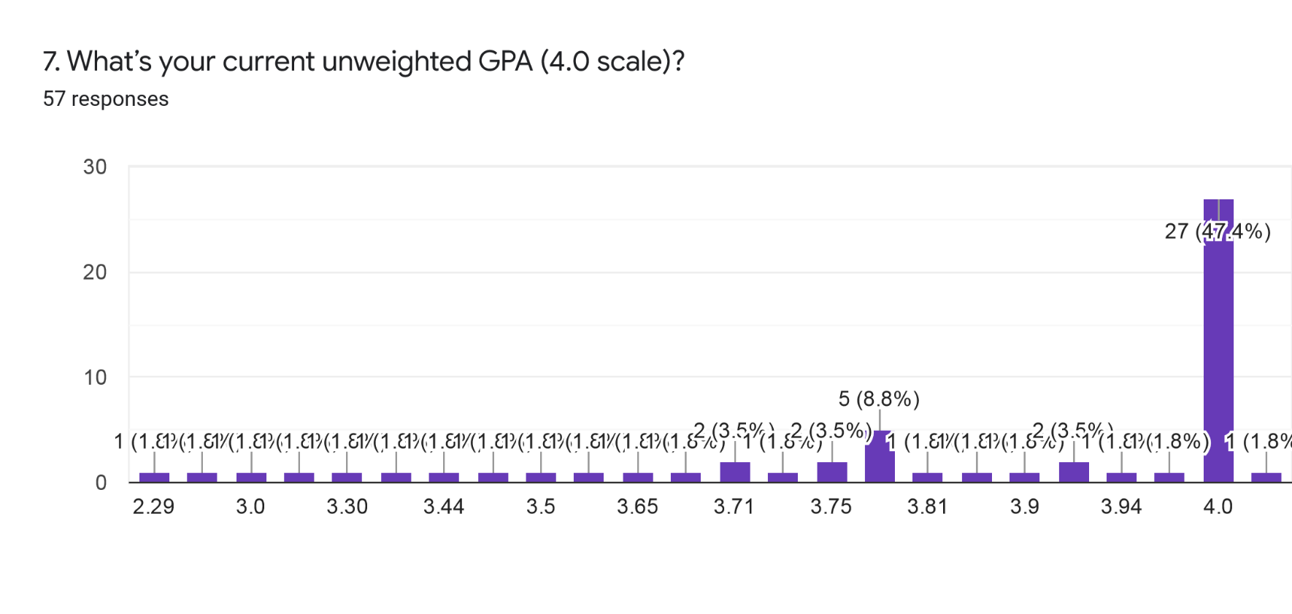
Yes | Senior | 3 |  | 3.8
Yes | Junior | 4 |  | 4.3
Yes | Senior | 3.91 |  | 4.15
Yes | Freshman | 4 |  | 4.15
No | Senior | 4 |  | 4.4
No | Junior | 3.81 |  | 4
No | Sophomore | 3.75 |  | 3.4
Yes | Sophomore | 4 |  | 5
Yes | Sophomore | 3.75 |  | 4.13
Yes | Junior | 4 |  | 4.5
Yes | Sophomore | 4 |  | 4.33
Yes | Senior | 3.94 |  | 4.68
No | Junior | 3.97 |  | 4.07
Yes | Junior | 4 |  | 4.6
Yes | Senior | 4 |  | 4.72
Yes | Freshman | 4 |  | 4.0?
No | Senior | 3.43 |  | 3.8
Yes | Senior | 3.8 |  | 4.4
Yes | Senior | 4 |  | 4.7
Yes | Senior | 3.5 |  | 4.33
No | Senior | 3.71 |  | 4.12
No | Senior | 4 |  | 4.43
No | Junior | 3.5 |  | 3.8 i think i’m not to sure
Yes | Senior | 4 |  | 4.6
Yes | Senior | No grades yet |  | 3.63
Yes | Senior | 3.7 |  | 4.65
Yes | Senior | 3.8 |  | 4.8
No | Senior | 3.8 |  | 4.55
Yes | Senior | 4 |  | 3.6
Yes | Senior | 3.3 |  | 4.4
Yes | Junior | 2.29 |  | 2.44
Yes | Senior | 4 |  | 4.6
Yes | Senior | 4 |  | 4.5
No | Junior | 4 |  | 5
No | Sophomore | 4 |  | 4.5? I'm not sure
No | Junior | 3.83 |  | 4.09
Yes | Junior | 4 |  | 4.33
No | Junior | 3.6 |  | 4
No | Senior | 3.44 |  | 3.4
Yes | Senior | 3.71 |  | 4.56
Yes | Senior | 3.9 |  | 4.6
No | Senior | 4 |  | 4.8
Yes | Sophomore | 4 |  | 4.1
Yes | Senior | 4 |  | 4.62
Yes | Senior | 4 |  | 4.57
Yes | Senior | 3.2 |  | 4.2
Yes | Senior | 4 |  | 4.56
Yes | Senior | 3.91 |  | 4.6
Yes | Senior | 3.8 |  | 4.8

Mental Health Evaluation
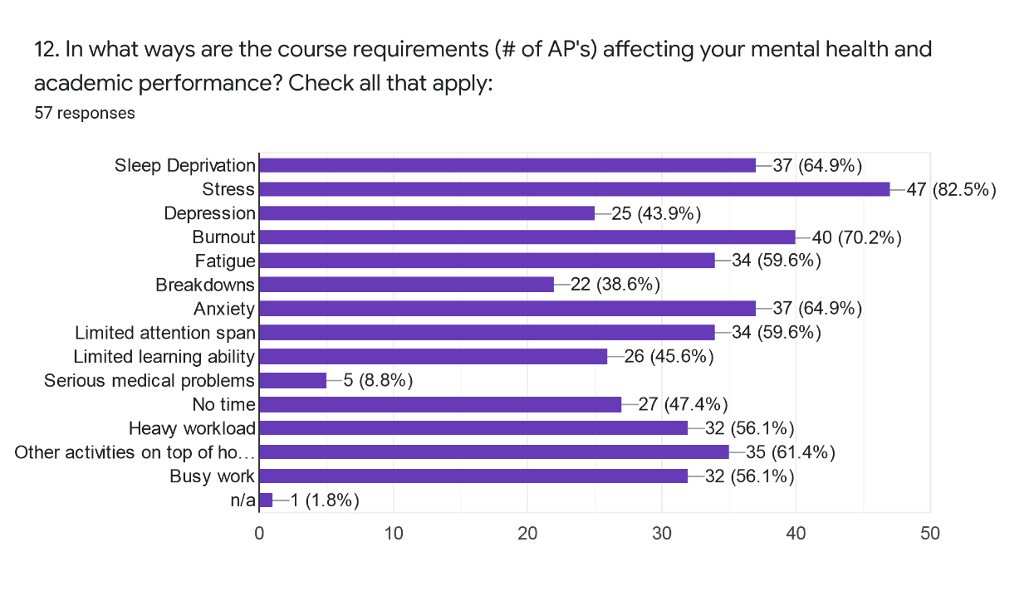
Are you in the WAVE pathway? | What grade level are you?
Yes | Senior
Yes | Senior
Yes | Senior
Yes | Senior
No | Senior
Yes | Senior
Yes | Senior
Yes | Sophomore
Yes | Senior
Yes | Junior
Yes | Senior
Yes | Freshman
No | Senior
No | Junior
No | Sophomore
Yes | Sophomore
Yes | Sophomore
Yes | Junior
Yes | Sophomore
Yes | Senior
No | Junior
Yes | Junior
Yes | Senior
Yes | Freshman
No | Senior
Yes | Senior
Yes | Senior
Yes | Senior
No | Senior
No | Senior
No | Junior
Yes | Senior
Yes | Senior
Yes | Senior
Yes | Senior
No | Senior
Yes | Senior
Yes | Senior
Yes | Junior
Yes | Senior
Yes | Senior
No | Junior
No | Sophomore
No | Junior
Yes | Junior
No | Junior
No | Senior
Yes | Senior
Yes | Senior
No | Senior
Yes | Sophomore
Yes | Senior
Yes | Senior
Yes | Senior
Yes | Senior
Yes | Senior
Yes | Senior

